THD_PS
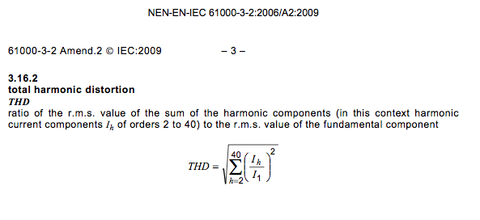
harm_nr | V_harm [V] | %value | V_harm^2
1 | 230 | 100.0% | 52900 | Sum V_1^2+V_2^2+…+V40^2 |  |  | 52908.464 | V^2
2 | 0.46 | 0.2% | 0.2116 | Sum V_2^2+…+V40^2 |  |  | 8.4640000001 | V^2
3 | 2.07 | 0.9% | 4.2849
4 | 0.46 | 0.2% | 0.2116
5 | 0.92 | 0.4% | 0.8464 | THD | = | 1.26%
6 | 0.46 | 0.2% | 0.2116
7 | 0.69 | 0.3% | 0.4761
8 | 0.46 | 0.2% | 0.2116 | V_1^2 |  |  | 52900
9 | 0.46 | 0.2% | 0.2116 | THD | = | 1.26%
10 | 0.46 | 0.2% | 0.2116
11 | 0.23 | 0.1% | 0.0529
12 | 0.23 | 0.1% | 0.0529
13 | 0.23 | 0.1% | 0.0529
14 | 0.23 | 0.1% | 0.0529
15 | 0.23 | 0.1% | 0.0529
16 | 0.23 | 0.1% | 0.0529
17 | 0.23 | 0.1% | 0.0529
18 | 0.23 | 0.1% | 0.0529
19 | 0.23 | 0.1% | 0.0529
20 | 0.23 | 0.1% | 0.0529
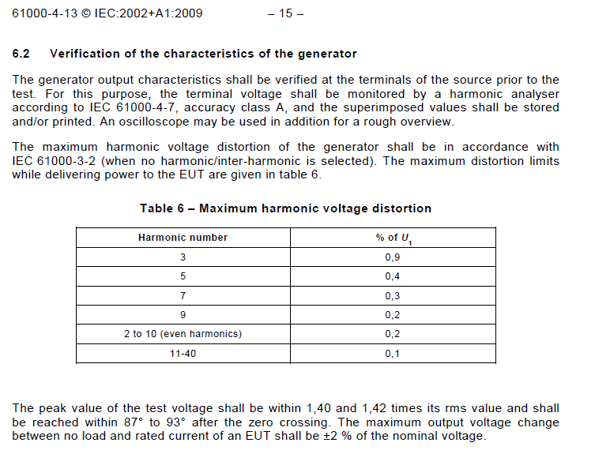
21 | 0.23 | 0.1% | 0.0529
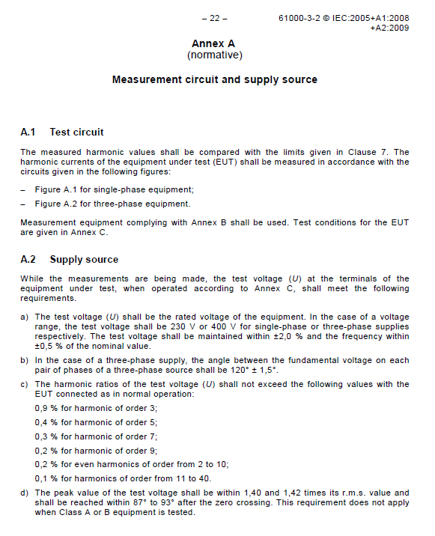
22 | 0.23 | 0.1% | 0.0529
23 | 0.23 | 0.1% | 0.0529
24 | 0.23 | 0.1% | 0.0529
25 | 0.23 | 0.1% | 0.0529
26 | 0.23 | 0.1% | 0.0529
27 | 0.23 | 0.1% | 0.0529
28 | 0.23 | 0.1% | 0.0529
29 | 0.23 | 0.1% | 0.0529
30 | 0.23 | 0.1% | 0.0529
31 | 0.23 | 0.1% | 0.0529
32 | 0.23 | 0.1% | 0.0529
33 | 0.23 | 0.1% | 0.0529
34 | 0.23 | 0.1% | 0.0529
35 | 0.23 | 0.1% | 0.0529
36 | 0.23 | 0.1% | 0.0529
37 | 0.23 | 0.1% | 0.0529
38 | 0.23 | 0.1% | 0.0529
39 | 0.23 | 0.1% | 0.0529
40 | 0.23 | 0.1% | 0.0529

THD_LIMIT
harm_nr | V_harm [V] | %value | V_harm^2
1 | 230 | 100.0% | 52900 | Sum V_1^2+V_2^2+…+V40^2 |  |  | 57602.81 | V^2
2 | 4.6 | 2.0% | 21.16 | Sum V_2^2+…+V40^2 |  |  | 4702.81 | V^2
3 | 55.2 | 24.0% | 3047.04
4 | 0 | 0.0% | 0
5 | 23 | 10.0% | 529 | THD | = | 28.57%
6 | 0 | 0.0% | 0
7 | 16.1 | 7.0% | 259.21
8 | 0 | 0.0% | 0 | V_1^2 |  |  | 52900
9 | 11.5 | 5.0% | 132.25 | THD | = | 29.82%
10 | 0 | 0.0% | 0
11 | 6.9 | 3.0% | 47.61
12 | 0 | 0.0% | 0 | PF | = | 0.8
13 | 6.9 | 3.0% | 47.61
14 | 0 | 0.0% | 0
15 | 6.9 | 3.0% | 47.61
16 | 0 | 0.0% | 0
17 | 6.9 | 3.0% | 47.61
18 | 0 | 0.0% | 0
19 | 6.9 | 3.0% | 47.61
20 | 0 | 0.0% | 0
21 | 6.9 | 3.0% | 47.61
22 | 0 | 0.0% | 0
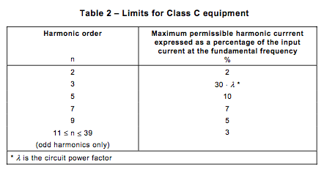
23 | 6.9 | 3.0% | 47.61
24 | 0 | 0.0% | 0
25 | 6.9 | 3.0% | 47.61
26 | 0 | 0.0% | 0
27 | 6.9 | 3.0% | 47.61
28 | 0 | 0.0% | 0
29 | 6.9 | 3.0% | 47.61
30 | 0 | 0.0% | 0
31 | 6.9 | 3.0% | 47.61
32 | 0 | 0.0% | 0
33 | 6.9 | 3.0% | 47.61
34 | 0 | 0.0% | 0
35 | 6.9 | 3.0% | 47.61
36 | 0 | 0.0% | 0
37 | 6.9 | 3.0% | 47.61
38 | 0 | 0.0% | 0
39 | 6.9 | 3.0% | 47.61
40 | 0 | 0.0% | 0

