005_measurementsMoonSpectrum_Ol
Name | Moon_OliNo.org
Date | 04/14/2014
Time | 23:16pm
T_int [ms] | 100

Lv [cd/sqm] | 1.77E+02
Le [W/(sr*sqm)] (250-1000nm) | 1.15E+00
CCT [K] | 4492
DWl [nm] | 573.9
PE [%] | 21.9

Chrom. Coord.
x | 0.3635
y | 0.3758
u' | 0.2144
v' | 0.4987

CIE 13.3-1995 CRI
Ref. Illum.
CCT [K] | 4492
R1 | 97.7
R2 | 98.3
R3 | 98.6
R4 | 95.3
R5 | 97
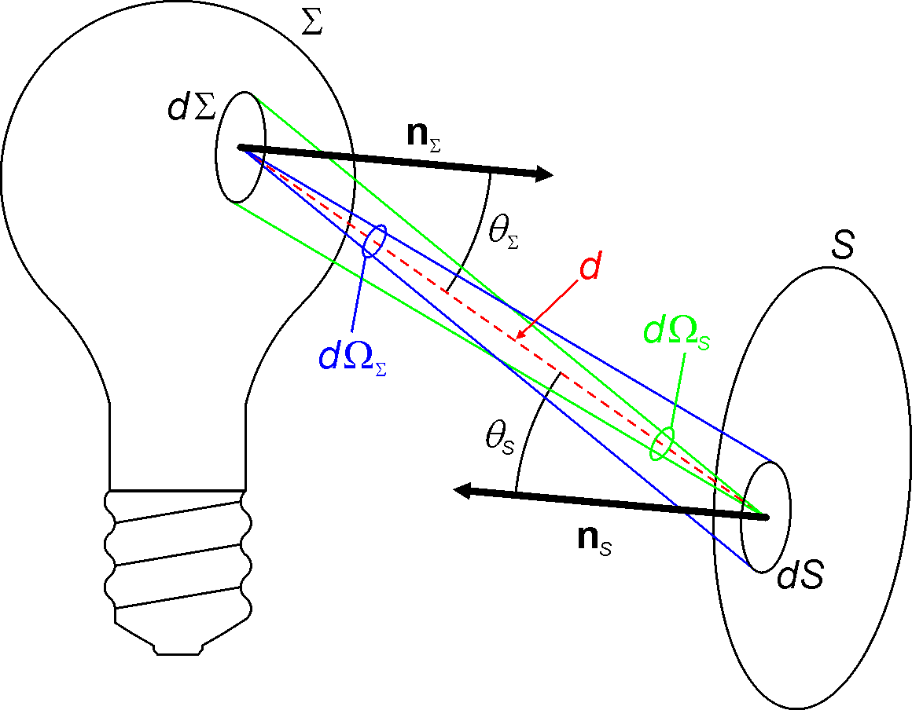
R6 | 98.3
R7 | 97
R8 | 96.5
R9 | 92.8
R10 | 97
R11 | 95.6
R12 | 92.5
R13 | 97.6
R14 | 99.2
R15 | 95.9
Ra | 97.36
DC | 4.99E-03

PAR
Begin [nm] | 400
End [nm] | 700
Ephot [umol/s sqm] | 3.0909

Circadian
Lec [W/sr*sqm] | 0.17
acv | 0.656
CCT [K] | 4492

RGB Values
RGB Space |  |  | SpecBos 1211 UV data:
R | 188.4 |  | Lum-angle total | 1.8 | deg
G | 174.7 |  | Lum-angle solid | 0.00077514097861 | sr
B | 121.9

Wavelength [nm] | Le [W/(sr*sqm*nm)] | Le [relative] | Ee [W/(sqm*nm)] | V_lambda | Ev [lux]
250 nm | 1.47E-05 | 5.68E-03 | 1.14E-08 | 0 | 0.1368664219
251 nm | 1.26E-05 | 4.87E-03 | 9.77E-09 | 0
252 nm | 1.51E-05 | 5.85E-03 | 1.17E-08 | 0
253 nm | 1.79E-05 | 6.91E-03 | 1.39E-08 | 0
254 nm | 1.87E-05 | 7.20E-03 | 1.45E-08 | 0
255 nm | 1.57E-05 | 6.07E-03 | 1.22E-08 | 0
256 nm | 1.15E-05 | 4.43E-03 | 8.91E-09 | 0
257 nm | 9.03E-06 | 3.49E-03 | 7.00E-09 | 0
258 nm | 1.08E-05 | 4.16E-03 | 8.37E-09 | 0
259 nm | 1.46E-05 | 5.62E-03 | 1.13E-08 | 0
260 nm | 1.50E-05 | 5.78E-03 | 1.16E-08 | 0
261 nm | 1.35E-05 | 5.23E-03 | 1.05E-08 | 0
262 nm | 1.25E-05 | 4.84E-03 | 9.69E-09 | 0
263 nm | 1.35E-05 | 5.20E-03 | 1.05E-08 | 0
264 nm | 1.43E-05 | 5.53E-03 | 1.11E-08 | 0
265 nm | 1.34E-05 | 5.16E-03 | 1.04E-08 | 0
266 nm | 1.12E-05 | 4.34E-03 | 8.68E-09 | 0
267 nm | 9.38E-06 | 3.62E-03 | 7.27E-09 | 0
268 nm | 1.02E-05 | 3.95E-03 | 7.91E-09 | 0
269 nm | 1.08E-05 | 4.18E-03 | 8.37E-09 | 0
270 nm | 1.21E-05 | 4.66E-03 | 9.38E-09 | 0
271 nm | 1.35E-05 | 5.21E-03 | 1.05E-08 | 0
272 nm | 1.36E-05 | 5.25E-03 | 1.05E-08 | 0
273 nm | 9.52E-06 | 3.68E-03 | 7.38E-09 | 0
274 nm | 7.85E-06 | 3.03E-03 | 6.08E-09 | 0
275 nm | 1.28E-05 | 4.94E-03 | 9.92E-09 | 0
276 nm | 1.43E-05 | 5.52E-03 | 1.11E-08 | 0
277 nm | 1.17E-05 | 4.53E-03 | 9.07E-09 | 0
278 nm | 1.10E-05 | 4.24E-03 | 8.53E-09 | 0
279 nm | 1.22E-05 | 4.73E-03 | 9.46E-09 | 0
280 nm | 1.47E-05 | 5.69E-03 | 1.14E-08 | 0
281 nm | 1.38E-05 | 5.33E-03 | 1.07E-08 | 0
282 nm | 1.09E-05 | 4.20E-03 | 8.45E-09 | 0
283 nm | 1.01E-05 | 3.90E-03 | 7.83E-09 | 0
284 nm | 1.07E-05 | 4.12E-03 | 8.29E-09 | 0
285 nm | 1.14E-05 | 4.39E-03 | 8.84E-09 | 0
286 nm | 1.02E-05 | 3.95E-03 | 7.91E-09 | 0
287 nm | 8.94E-06 | 3.45E-03 | 6.93E-09 | 0
288 nm | 9.40E-06 | 3.63E-03 | 7.29E-09 | 0
289 nm | 1.06E-05 | 4.11E-03 | 8.22E-09 | 0
290 nm | 1.16E-05 | 4.48E-03 | 8.99E-09 | 0
291 nm | 1.15E-05 | 4.45E-03 | 8.91E-09 | 0
292 nm | 1.06E-05 | 4.11E-03 | 8.22E-09 | 0
293 nm | 1.02E-05 | 3.94E-03 | 7.91E-09 | 0
294 nm | 1.13E-05 | 4.35E-03 | 8.76E-09 | 0
295 nm | 1.28E-05 | 4.95E-03 | 9.92E-09 | 0
296 nm | 1.16E-05 | 4.47E-03 | 8.99E-09 | 0
297 nm | 1.00E-05 | 3.87E-03 | 7.75E-09 | 0
298 nm | 1.04E-05 | 4.02E-03 | 8.06E-09 | 0
299 nm | 1.10E-05 | 4.24E-03 | 8.53E-09 | 0
300 nm | 1.16E-05 | 4.46E-03 | 8.99E-09 | 0
301 nm | 1.24E-05 | 4.79E-03 | 9.61E-09 | 0
302 nm | 1.24E-05 | 4.80E-03 | 9.61E-09 | 0
303 nm | 1.15E-05 | 4.44E-03 | 8.91E-09 | 0
304 nm | 1.13E-05 | 4.36E-03 | 8.76E-09 | 0
305 nm | 1.21E-05 | 4.66E-03 | 9.38E-09 | 0
306 nm | 1.30E-05 | 5.02E-03 | 1.01E-08 | 0
307 nm | 1.37E-05 | 5.30E-03 | 1.06E-08 | 0
308 nm | 1.34E-05 | 5.17E-03 | 1.04E-08 | 0
309 nm | 1.22E-05 | 4.70E-03 | 9.46E-09 | 0
310 nm | 1.14E-05 | 4.40E-03 | 8.84E-09 | 0
311 nm | 1.26E-05 | 4.85E-03 | 9.77E-09 | 0
312 nm | 1.35E-05 | 5.22E-03 | 1.05E-08 | 0
313 nm | 1.35E-05 | 5.21E-03 | 1.05E-08 | 0
314 nm | 1.30E-05 | 5.00E-03 | 1.01E-08 | 0
315 nm | 1.28E-05 | 4.95E-03 | 9.92E-09 | 0
316 nm | 1.34E-05 | 5.16E-03 | 1.04E-08 | 0
317 nm | 1.52E-05 | 5.85E-03 | 1.18E-08 | 0
318 nm | 1.63E-05 | 6.31E-03 | 1.26E-08 | 0
319 nm | 1.42E-05 | 5.49E-03 | 1.10E-08 | 0
320 nm | 1.29E-05 | 4.99E-03 | 1.00E-08 | 0
321 nm | 1.54E-05 | 5.94E-03 | 1.19E-08 | 0
322 nm | 1.61E-05 | 6.23E-03 | 1.25E-08 | 0
323 nm | 1.48E-05 | 5.72E-03 | 1.15E-08 | 0
324 nm | 1.54E-05 | 5.96E-03 | 1.19E-08 | 0
325 nm | 1.61E-05 | 6.22E-03 | 1.25E-08 | 0
326 nm | 1.54E-05 | 5.96E-03 | 1.19E-08 | 0
327 nm | 1.67E-05 | 6.43E-03 | 1.29E-08 | 0
328 nm | 1.97E-05 | 7.59E-03 | 1.53E-08 | 0
329 nm | 2.18E-05 | 8.41E-03 | 1.69E-08 | 0
330 nm | 2.39E-05 | 9.22E-03 | 1.85E-08 | 0
331 nm | 2.67E-05 | 1.03E-02 | 2.07E-08 | 0
332 nm | 2.90E-05 | 1.12E-02 | 2.25E-08 | 0
333 nm | 3.20E-05 | 1.24E-02 | 2.48E-08 | 0
334 nm | 3.76E-05 | 1.45E-02 | 2.91E-08 | 0
335 nm | 4.14E-05 | 1.60E-02 | 3.21E-08 | 0
336 nm | 4.27E-05 | 1.65E-02 | 3.31E-08 | 0
337 nm | 4.78E-05 | 1.85E-02 | 3.71E-08 | 0
338 nm | 5.65E-05 | 2.18E-02 | 4.38E-08 | 0
339 nm | 6.45E-05 | 2.49E-02 | 5.00E-08 | 0
340 nm | 7.23E-05 | 2.79E-02 | 5.60E-08 | 0
341 nm | 8.01E-05 | 3.09E-02 | 6.21E-08 | 0
342 nm | 8.52E-05 | 3.29E-02 | 6.60E-08 | 0
343 nm | 8.92E-05 | 3.44E-02 | 6.91E-08 | 0
344 nm | 9.51E-05 | 3.67E-02 | 7.37E-08 | 0
345 nm | 1.02E-04 | 3.95E-02 | 7.91E-08 | 0
346 nm | 1.10E-04 | 4.24E-02 | 8.53E-08 | 0
347 nm | 1.19E-04 | 4.58E-02 | 9.22E-08 | 0
348 nm | 1.29E-04 | 4.98E-02 | 1.00E-07 | 0
349 nm | 1.40E-04 | 5.42E-02 | 1.09E-07 | 0
350 nm | 1.50E-04 | 5.78E-02 | 1.16E-07 | 0
351 nm | 1.58E-04 | 6.09E-02 | 1.22E-07 | 0
352 nm | 1.69E-04 | 6.53E-02 | 1.31E-07 | 0
353 nm | 1.83E-04 | 7.05E-02 | 1.42E-07 | 0
354 nm | 1.93E-04 | 7.46E-02 | 1.50E-07 | 0
355 nm | 1.94E-04 | 7.48E-02 | 1.50E-07 | 0
356 nm | 1.88E-04 | 7.25E-02 | 1.46E-07 | 0
357 nm | 1.87E-04 | 7.21E-02 | 1.45E-07 | 0
358 nm | 1.95E-04 | 7.52E-02 | 1.51E-07 | 0
359 nm | 2.10E-04 | 8.12E-02 | 1.63E-07 | 0
360 nm | 2.28E-04 | 8.80E-02 | 1.77E-07 | 0.000003917
361 nm | 2.43E-04 | 9.36E-02 | 1.88E-07 | 4.39E-06
362 nm | 2.55E-04 | 9.84E-02 | 1.98E-07 | 4.93E-06
363 nm | 2.71E-04 | 1.05E-01 | 2.10E-07 | 5.53E-06
364 nm | 2.93E-04 | 1.13E-01 | 2.27E-07 | 6.21E-06
365 nm | 3.17E-04 | 1.22E-01 | 2.46E-07 | 0.000006965
366 nm | 3.34E-04 | 1.29E-01 | 2.59E-07 | 7.81E-06
367 nm | 3.41E-04 | 1.32E-01 | 2.64E-07 | 8.77E-06
368 nm | 3.47E-04 | 1.34E-01 | 2.69E-07 | 9.84E-06
369 nm | 3.60E-04 | 1.39E-01 | 2.79E-07 | 1.10E-05
370 nm | 3.66E-04 | 1.41E-01 | 2.84E-07 | 0.00001239
371 nm | 3.61E-04 | 1.39E-01 | 2.80E-07 | 1.39E-05
372 nm | 3.48E-04 | 1.34E-01 | 2.70E-07 | 1.56E-05
373 nm | 3.37E-04 | 1.30E-01 | 2.61E-07 | 1.74E-05
374 nm | 3.38E-04 | 1.31E-01 | 2.62E-07 | 1.96E-05
375 nm | 3.60E-04 | 1.39E-01 | 2.79E-07 | 0.00002202
376 nm | 3.93E-04 | 1.52E-01 | 3.05E-07 | 2.48E-05
377 nm | 4.16E-04 | 1.61E-01 | 3.22E-07 | 2.80E-05
...

